Billing
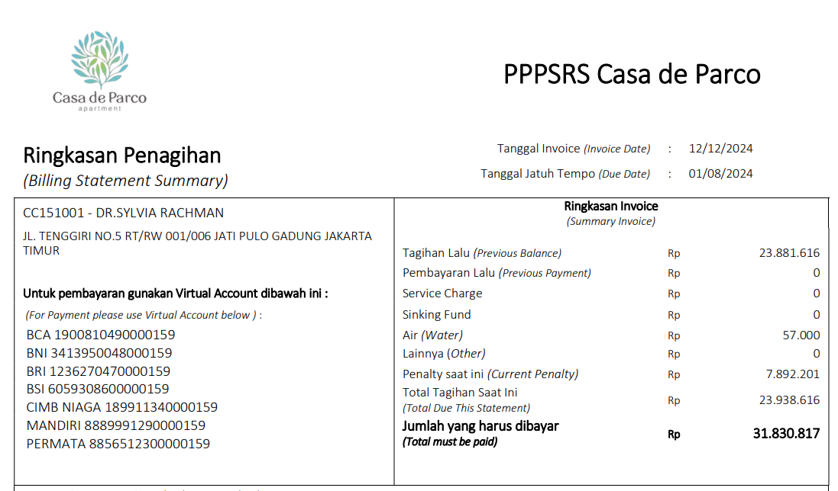
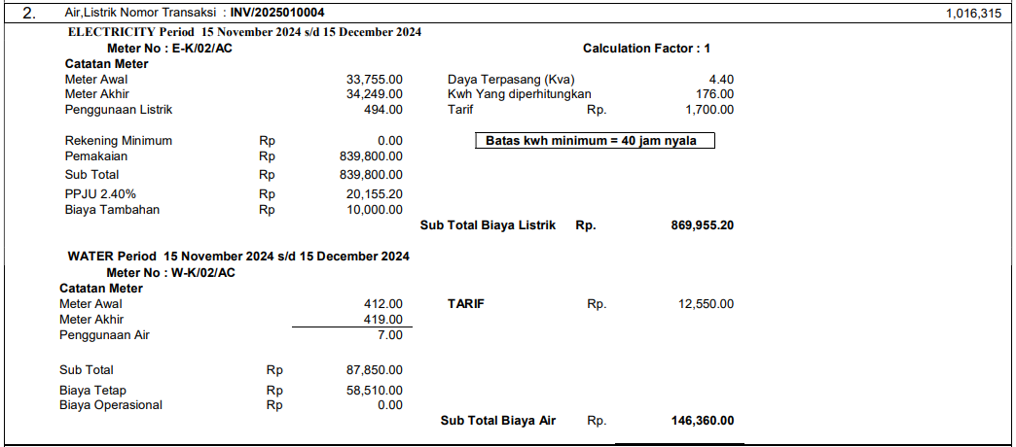
 | Billing

 |  |  |  | CPROPERTY_NAME

Ringkasan Penagihan |  |  | Tanggal Statement (Statement Date) |  |  |  | : | CSTATEMENT_DATE
(Billing Statement Summary) |  |  | Tanggal Jatuh Tempo (Due Date) |  |  |  | : | CDUE_DATE

CTENANT_ID - CTENANT_NAME |  |  |  |  | Ringkasan Invoice
CBILLING_ADDRESS |  |  |  |  | (Summary Invoice)

 |  | Tagihan Lalu (Previous Balance) |  |  |  | Rp |  |  | NPREVIOUS_BALANCE
CREF_NO |  | Pembayaran Lalu (Previous Payment) |  |  |  | Rp |  |  | NPREVIOUS_PAYMENT

CBUILDING_ID - CBUILDING_NAME |  | Sales |  |  |  | Rp |  |  | NSALES | Suppress If 0
CUNIT_ID_LIST |  | Rent |  |  |  | Rp |  |  | NRENT | Suppress If 0
CUNIT_DESCRIPTION |  | Deposit |  |  |  | Rp |  |  | NDEPOSIT | Suppress If 0
 |  | Revenue Sharing |  |  |  | Rp |  |  | NREVENUE_SHARING | Suppress If 0
 |  | Service Charge |  |  |  | Rp |  |  | NSERVICE_CHARGE | Suppress If 0
Untuk pembayaran gunakan Virtual Account dibawah ini: |  | Sinking Fund |  |  |  | Rp |  |  | NSINKING_FUND | Suppress If 0
(For Payment please use Virtual Account below): |  | Promo Levy |  |  |  | Rp |  |  | NPROMO_LEVY | Suppress If 0
CBANK_NAME <SPACE> CVA_CODE |  | Other |  |  |  | Rp |  |  | NGENERAL_CHARGE | Suppress If 0

 |  | Electricity |  |  |  | Rp |  |  | NELECTRICITY | Suppress If 0
 |  | Chiller |  |  |  | Rp |  |  | NCHILLER | Suppress If 0
 |  | Water |  |  |  | Rp |  |  | NWATER | Suppress If 0
 |  | Gas |  |  |  | Rp |  |  | NGAS | Suppress If 0
 |  | Parking |  |  |  | Rp |  |  | NPARKING | Suppress If 0
 |  | Overtime |  |  |  | Rp |  |  | NOVERTIME | Suppress If 0
 |  | General Utility |  |  |  | Rp |  |  | NGENERAL_UTILITY | Suppress If 0

 |  | Penalty saat ini (Current Penalty) |  |  |  | Rp |  |  | NCURRENT_PENALTY
 |  | Total Tagihan Saat Ini (Total Due This Statement) |  |  |  | Rp |  |  | NNEW_BILLING
 |  | Jumlah yang harus dibayar (Total must be paid) |  |  |  | Rp |  |  | NNEW_BALANCE

NOTES
1. RSP_PM_PMA00300S
2. RSP_PM_GET_TENANT_VA_LIST
3. SELECT * FROM GSB_CODE_DT WHERE CCLASS_ID IN ('_BS_UNIT_CHARGES_TYPE', '_BS_UTILITY_CHARGES_TYPE')
4. RSP_PM_PMA00300_DETAIL (@CSERVICE_TYPE = 'UT' atau 'UN'), (@CCHARGES_TYP = '01' atau '03')

